Sheet1
Ahmad Danial Zainudin, MSc, MSTA, CFTe
60 (3) 2082 6904
ahmaddanial.za@maybank-ib.com
ACTIVE MONTH | NYMEX WTI Crude Oil April 2020 |  |  |  |  |  | 2020-02-25
Last Trade 20th March 2020

Oil recovered some of its losses following the biggest drop in almost seven weeks as investors attempted to gauge the economic impact of the fast-spreading coronavirus and the potential response from producers.
Futures in New York staged a partial recovery after tumbling 3.7% Monday amid a broad market selloff driven by a sharp uptick in cases and deaths from the virus in South Korea, the Middle East and Europe.
Prices extended their recovery after Saudi Energy Minister Prince Abdulaziz bin Salman expressed confidence in the OPEC+ partnership, while saying the group hasn’t made a decision yet on whether to extend or modify its production-cut agreement.
Vitol Group, the world’s biggest independent oil trader, estimates the virus is currently reducing China’s oil demand by about 4 million barrels a day, or around 4% of global consumption. While Vitol and others are positioning for a demand rebound, forecasts for when that will come may now need to be pushed back as the outbreak goes global.
Highlights
 |  |  |  |  | U.S. Crude Oil Figures (API & EIA)
 |  |  |  |  |  |  | Previous | Latest
 |  |  |  |  | API
 |  |  |  |  | Total Inventory |  | 6.00 | 4.20

 |  |  |  |  | EIA
 |  |  |  |  | Crude oil |  | 6.00 | 4.20
 |  |  |  |  | Gasoline |  | -0.09 | -1.97
 |  |  |  |  | Distillates |  | -2.01 | -0.63

 |  |  |  |  | *in million barrels

 |  |  |  |  | Today's Commodity Fair Value
 |  |  |  |  |  |  | Fair Price
 |  |  |  |  | NYMEX WTI Apr 20 |  | 52.02
 |  |  |  |  | ICE Brent May 20 |  | 56.18

 |  |  |  |  | *Source: Bloomberg |  | **At time of writing

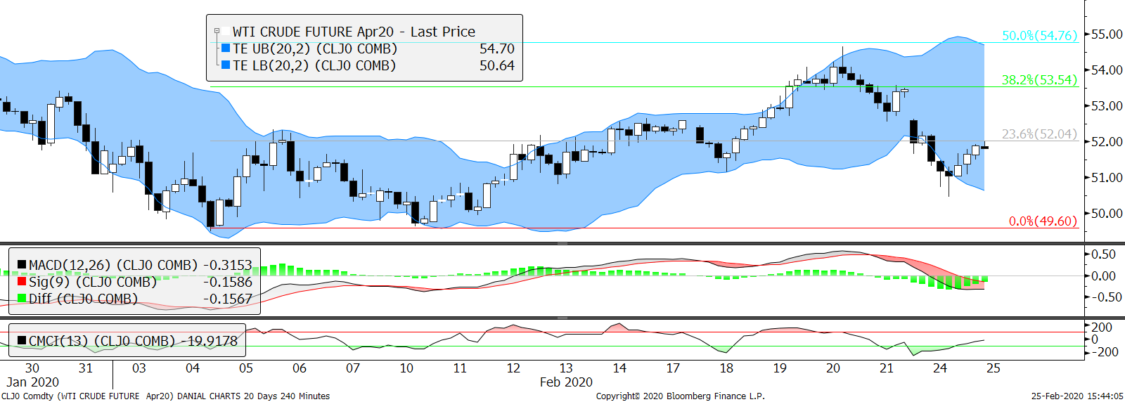
Technical Section
 |  |  |  |  | Pivot Values
 |  |  |  |  | 3rd Resistance |  | 55.89
 |  |  |  |  | 2nd Resistance |  | 53.70
 |  |  |  |  | 1st Resistance |  | 52.56
 |  |  |  |  | Last Price |  | 51.43
 |  |  |  |  | 1st Support |  | 50.37
 |  |  |  |  | 2nd Support |  | 49.32
 |  |  |  |  | 3rd Support |  | 47.13
 |  |  |  |  | Intraday Outlook
 |  |  |  |  | Momentum |  | Trend
 |  |  |  |  | UP |  | UP
 |  |  |  |  | Aggregate Open Interest
 |  |  |  | #NAME? | Previous |  | Latest
 |  |  |  |  | n.a. |  | 2,168,083
SMA 5 Days | SMA 20 Days | SMA 100 Days | RSI |  | Upper Bollinger |  | Lower Bollinger
52.81 | 51.76 | 55.72 | 42.53 |  | 54.29 |  | 49.23

Market Insight
Fundamental analysis are based on conclusive assessment of time varying key market movers. While technical analysis use a 4-hour chart to analyse the potential movement for intraday trading.
Firmer bullish reversal is clearer but Trading Envelopes are still pointing down, sending signs that sell offs are not absolutely halted. With the renewed fear on waning oil demand, we expect crude oil struggles to crawl up and to maintain optimism.

WARNING: TRADING IN FUTURES IS HIGHLY LEVERAGED AND CARRIES A HIGH DEGREE OF RISK WHICH MIGHT NOT BE SUITABLE FOR THE GENERAL PUBLIC. INVESTORS SHOULD CONSIDER WHETHER SUCH TRADING IS APPRORIATE IN LIGHT OF THEIR EXPERIENCE, OBJECTIVES, FINANCIAL RESOURCES AND OTHER RELEVANT FACTORS BEFORE COMMENCEMENT. The materials, information and functions provided in this report shall not under any circumstances be considered or construed as an offer or solicitation to sell, buy, give, take, issue, allot or transfer, or as the giving of any advice in respect of shares, stocks, bonds, notes, interests, unit trusts, mutual funds or other securities, investments, loans, advances, credits or deposits in any jurisdiction.

WARNING: TRADING IN FUTURES IS HIGHLY LEVERAGED AND CARRIES A HIGH DEGREE OF RISK WHICH MIGHT NOT BE SUITABLE FOR THE GENERAL PUBLIC. INVESTORS SHOULD CONSIDER WHETHER SUCH TRADING IS APPRORIATE IN LIGHT OF THEIR EXPERIENCE, OBJECTIVES, FINANCIAL RESOURCES AND OTHER RELEVANT FACTORS BEFORE COMMENCEMENT
The materials, information and functions provided in this report shall not under any circumstances be considered or construed as an offer or solicitation to sell, buy, give, take, issue, allot or transfer, or as the giving of any advice in respect of shares, stocks, bonds, notes, interests, unit trusts, mutual funds or other securities, investments, loans, advances, credits or deposits in any jurisdiction

